Intro
AS LHV Group
2014-12-31

AS LHV Group is the largest financial group in Estonia based on Estonian capital. LHV was founded in 1999 by persons with long-term experience in investment and entrepreneurship. LHV branches are located in Tallinn, Tartu, Riga and Vilnius. LHV has more than 260 employees. The main subsidiaries of AS LHV Group are AS LHV Pank and AS LHV Varahaldus. Our banking services are used by more than 60,000 clients. Our pension funds have over 130,000 clients.

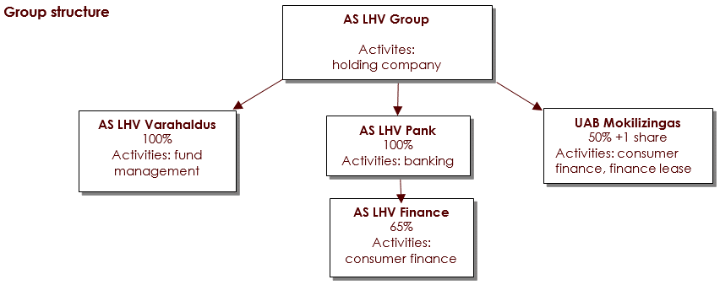

Strategy
The mission of LHV Pank is to help create Estonian capital and support the development of local entrepreneurship.
The values of LHV Pank are: simplicity, support, performance.
LHV is focused on active and independent clients with entrepreneurial mindset. For private customers LHV offers mainly services related to deposits and money growth opportunities. For business customers LHV offers flexible and convenient financing and every-day handling of money matters.
Shareholders
AS LHV group has total of 23,356,005 ordinary shares with nominal share value of 1 euro.
As of 30th September 2014 the Group has 256 shareholders:
13,370,738 shares (57.2%) were owned by the supervisory board and members of the management board.
9,173,290 shares (39.3%) were owned by Estonian entrepreneurs and investors.
811,977 shares (3.5%) were owned by LHV current and former employees.
All clients and partners of LHV can be the owners of LHV in the future. LHV is pursuing to become a public company through listing on Tallinn stock exchange.

