Intro
AS LHV Group
2017-09-30

AS LHV Group is the largest financial group in Estonia based on Estonian capital. LHV was founded in 1999 by persons with long-term experience in investment and entrepreneurship. LHV branches are located in Tallinn and Tartu. LHV has more than 360 employees. The main subsidiaries of AS LHV Group are AS LHV Pank and AS LHV Varahaldus. LHV Pank with its subsidiary has more than 158,000 clients. Our pension funds have over 196,000 customers. Mokilizingas has more than 98,000 customers and all combined, LHV Group has more than 406,000 customers.

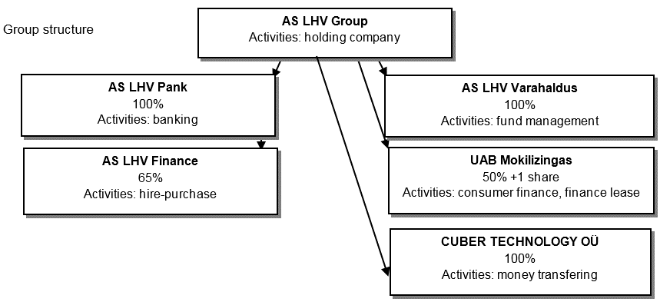

Strategy
The mission of LHV Pank is to help create Estonian capital and support the development of local entrepreneurship.
The values of LHV Pank are: simplicity, support, performance.
LHV is focused on active and independent clients with entrepreneurial mindset. For private customers LHV offers mainly services related to deposits and money growth opportunities. For business customers LHV offers flexible and convenient financing and every-day handling of money matters.
Shareholders
AS LHV Group has total of 25,767,342 ordinary shares with nominal share value of 1 euro.
As of 30th September 2017 the Group has 5,181 shareholders:
13,084,986 shares (50.8%) were owned by the Group supervisory board and management board members
12,682,356 shares (49.2%) were owned by Estonian entrepreneurs and investors
Discontinued operations
Financial information presented in the factbook might not reconcile with the interim report because consisting of discontinued operations.

