34
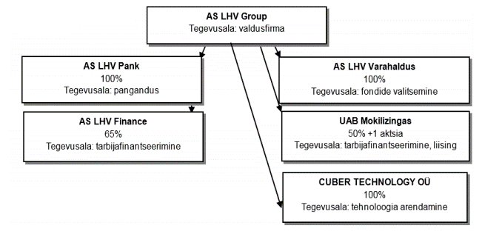
Back to contents page

Legal structure in 2016

The chart below shows the legal structure of the LHV Group.

