37
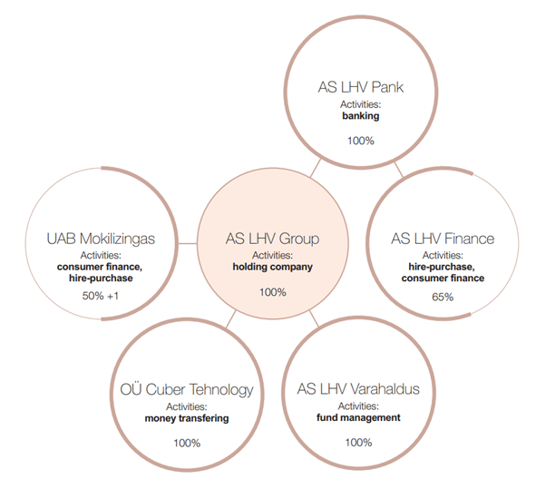
Back to contents page

Legal structure in 2017

The chart below shows the legal structure of the LHV Group.

