72
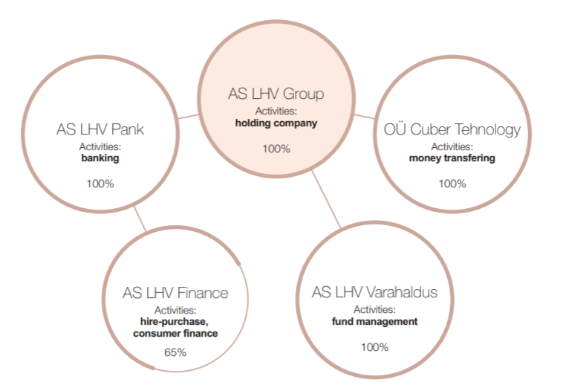
Table 86 LI3 Specification of undertakings

The chart below shows the legal structure of the LHV Group.

